Logic for IT
 | Condition |  | Report
Eligibility | Employees with Wages >145000 by TRU in previous year for Non CPM PSU Employees with Wages >145000 by TRU in previous year for CPM PSU If Federal Tax Limit Enforcement Level = Tax reporting Unit then that TRU is on NON CPM PSU |  | Person Number,Payroll Relationship Number, Legal Employer, Common PayMaster (Yes/No),Tax Reporting Unit, Payroll Statutory Unit, Age,Eligibility flag, Exceeded Limit ( Yes/ No), SS Wages for prev year(Social security reduced subject withholding), Prev Year
If eligility is Yes, then Only 401K Roth Catch
Element Addition / Deletion | 1- Employees with Wages >145000 by TRU in previous year for CPM PSU & eligiblity - Yes Skip 401k catch up 2-Employees with Wages >145000 by TRU in previous year for Non CPM PSU & eligibility - Yes, for those TRU's - only 401k Roth catch up should be deducted & logic should be changed such that deduction limit should consider only for eligible TRUs. 401k Catch up should not be deducted 2a - if all TRU's in non CPM for that employee have eligibility - Yes, then skip 401k catch up for both of above!
Adding 401K Roth Catch up | If 401k roth catcup is not added to employee, it should be added manually by benefits team.
Attach to eligible employees | Check Oracle doc for HDL | https://docs.oracle.com/en/cloud/saas/human-resources/25b/falzi/eligibility-for-pretax-catch-up-contributions-for-deferred-compensation-plans.html#Opt-out-individual-employees
Add DB item to get eligibility and add to FF | Check Oracle doc for DB Item | ORA_HRX_US_REP_CARD_ELIGIBLE_PRETAX_CATCHUP

FF Changes | Depending on TRU ( NON CPM PSU or CPM PSU) & eligibility , We have use approriate Wages to calculate on existing 401k Catch up
FF Changes for percentage | Add input values - percentage & Additional Percentage - Secure 2.0 to get the 401k roth catch up percentage

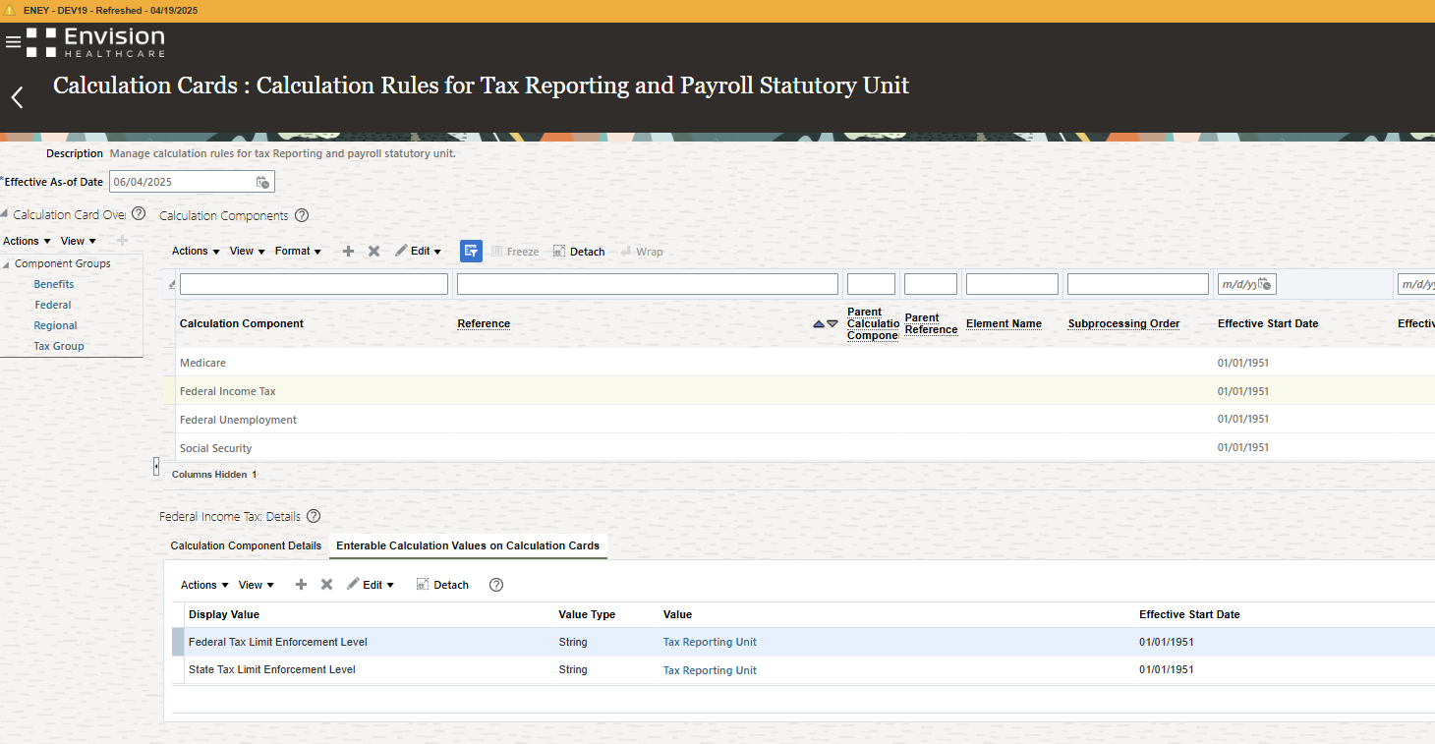

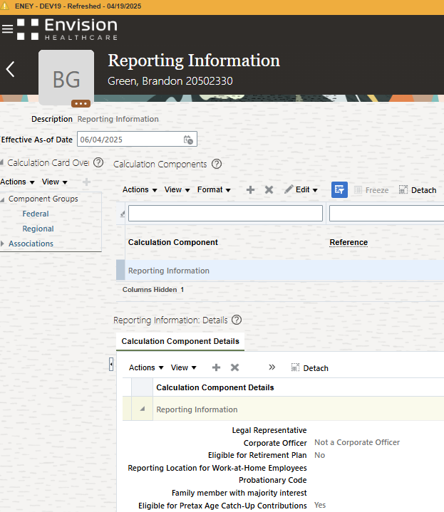

IT Design:

Payroll flow
report to pick eligible employee | Include validate step ( manual stop) in the flow
HDL Load | For CPM: If sum of SS Reduced sub wh of all TRu's of that Payroll Rel crosses 145000, we need to turn flag on. For NCPM: We need to determine by TRU wages (SS reduced sub wh, If any of the TRU wages crosses 145k, that payroll rel is eligible.
report for hdl load status

Extract to update new input value percentage of 401k roth catch up element with 401k catch up percentage

Fast formula - calculate values based on eligible logic and hdl
call this FF to existing FF ( 401k roth catch up, 401K catch up)
FF on percentage

Dev11

Pretax only example - EE has only pretax election. For entities in which wage threshold was met in prior year, the 10% pretax will need to be automatically directed to the Roth Catchup.
 |  |  | This is for new year - In current case - its 2026
For Non CPM PSU- TRUs | Employee Deferral % (Election at Fidelity) | wages | Pretax 401K Contrib | 401K Roth Contrib | 401k Catch up - pretax % | 401k catch up - pretax deduction | 401k roth catch up% | 401k roth catch up - deduction
Arizona Perinatal Care Centers LLC - Eligible | 10% Pretax/0% 401K Roth | $10,000.00 | $1,000.00 | $- | 10 | $- | 10 | $1,000.00
Sheridan Healthcare Inc. - Not eligible | 10% Pretax/0% 401K Roth | $20,000.00 | $2,000.00 | $- | 10 | $2,000.00 | 0 | $-

Pretax & Roth 401k example - 5% - pretax and 5% - Roth = under entity where wage threshold was met, total Roth percentage should be 10% to account for both "5%'s"
For Non CPM PSU- TRUs | Employee Deferral % (Election at Fidelity) | wages | Pretax 401K Contrib | 401K Roth Contrib | 401k Catch up - pretax % | 401k catch up - pretax deduction | 401k roth catch up% | 401k roth catch up - deduction
Arizona Perinatal Care Centers LLC - Eligible | 5% Pretax/5% 401K Roth | $10,000.00 | $500.00 | $500.00 | 5 | $- | 10 | $1,000.00
Sheridan Healthcare Inc. - Not eligible | 5% Pretax/5% 401K Roth | $20,000.00 | $1,000.00 | $1,000.00 | 5 | $500.00 | 5 | $500.00

Roth 401k only example - EE has only Roth 401k election. For entities in which wage threshold was met in prior year, the 10% Roth election will hold across all entities.
For Non CPM PSU- TRUs | Employee Deferral % (Election at Fidelity) | wages | Pretax 401K Contrib | 401K Roth Contrib | 401k Catch up - pretax % | 401k catch up - pretax deduction | 401k roth catch up% | 401k roth catch up - deduction
Arizona Perinatal Care Centers LLC - Eligible | 0% Pretax/10% 401K Roth | $10,000.00 | $- | $1,000.00 | 0 | $- | 10 | $1,000.00
Sheridan Healthcare Inc. - Not eligible | 0% Pretax/10% 401K Roth | $20,000.00 | $- | $2,000.00 | 0 | $- | 10 | $2,000.00

HRIS Questions
How do we handle election changes through out the new year | example on Row 108 - if employee chooses to start his pretax , then what would be roth % ?
How do we handle election changes through out the new year | example on Row 101 - if employee chooses to change his pretax , then what would be roth % ?
do you want visibility to roth catch up% for TRU that are eliglible and have pre and post tax elements | Example on rows 101,102

 | Current Percentage | Additional Percentage - Secure 2.0 | Total Percentage for calculation
401k CATCH UP | 10 | NA | 0
401k roth catch up | 5 | 10 | 15

